C2 Form
BOILER TUBE FAILURE REPORT (C-2 FORM)
(C-2 FORM SHOULD BE SENT WITHIN 12 HOURS OF SYNCHRONISATION)

1) STATION: | NTPL | 2) UNIT No. |  | I | 3) LAST UNIT OUTAGE |  |  | May-21 | 4) LAST UNIT O/H |  | Dec-20
5) UNIT SHUTDOWN FROM |  | 20 | 05 | 21 |  | 22 | 24 | 9) OUTAGE HOURS |  | 27 | 30
6) WATER FILLING CLEARANCE |  | 21 | 05 | 21 |  | 20 | 20 | (ONLY DUE TO BTF) |  | hh | mm
7) CLEARANCE FOR LIGHTUP |  | 21 | 05 | 21 |  | 22 | 09 | 10) GENERATION LOSS
(AFTER REPAIR OF BTF) |  | dd | mm | yy |  | hh | mm | (ONLY DUE TO BTF) |  | MUS
8) UNIT SYNCHRONISED AT |  | 22 | 05 | 21 |  | 01 | 48
11) BTF INSPECTED BY |  | dd | mm | yy |  | hh | mm
 | BTF COMMITTEE HEAD |  |  |  |  | MTP |  |  |  | FQA
 |  | CHEMISTRY |  |  |  | OPERATION |  |  |  | O&C

BOILER TUBE FAILURE LOCATION
12) FAILED TUBE LOCATION MARKED ON UNIT MATERIAL DIAGRAM AND BOILER GENERAL ARRANGEMENT DRAWING
(CLEARLY IDENTIFYING TUBE NO., COIL NO., TUBE DIMENSION, TUBE MATERIAL AND X,Y,Z COORDINATES)
Tube dimension - 47.63 x 6 mm; SA 213 T11. LTSH Lower Bank Coil No. 105 Middle Row

DESCRIPTION OF BOILER FAILED TUBES
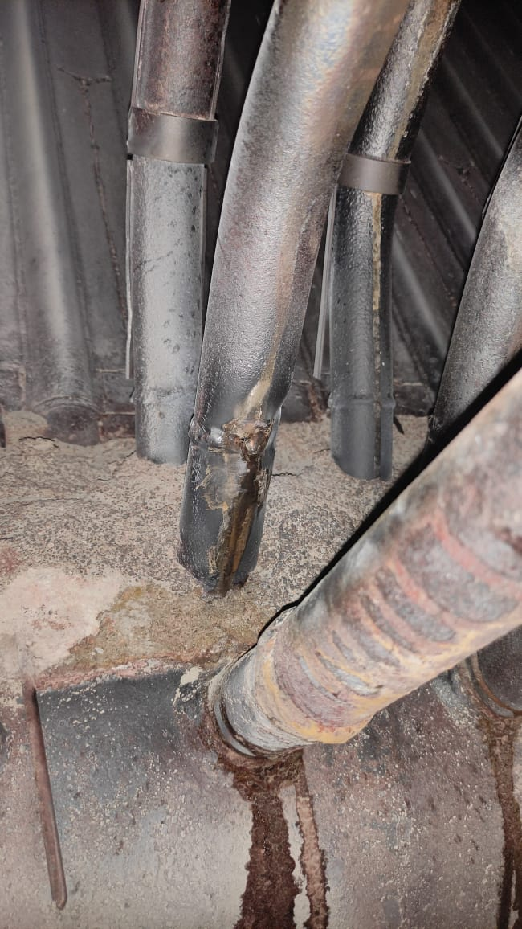

13) PHOTOGRAPHS OF LOCATION OF FAILURE BEFORE START OF REPAIR WORK

14) PHOTOGRAPHS OF PRIMARY FAILED TUBE

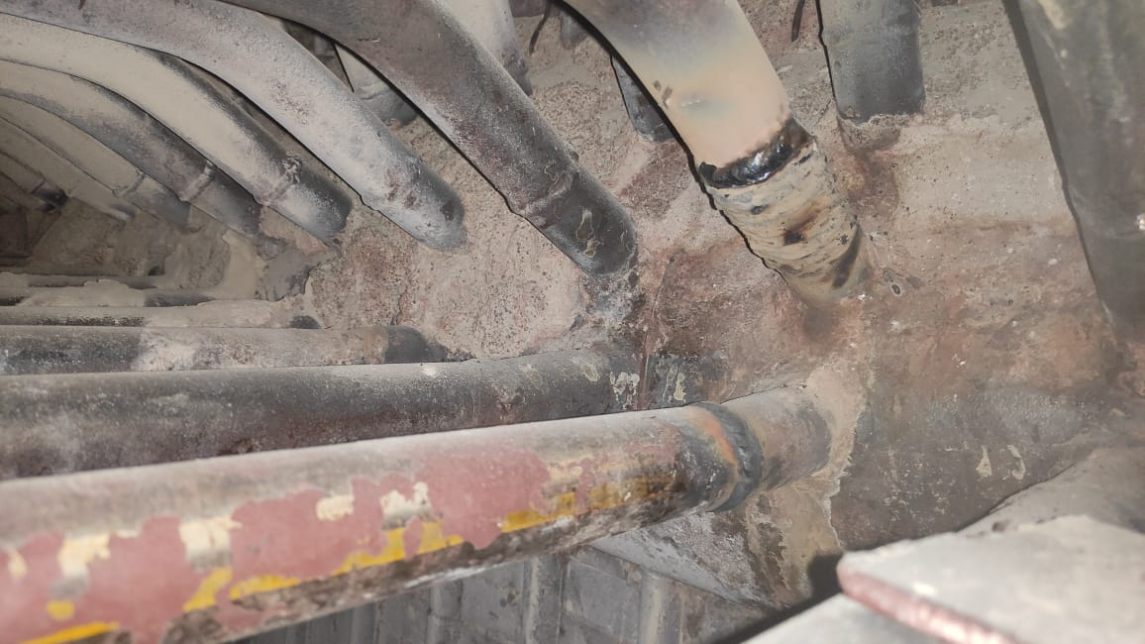
15) PHOTOGRAPHS OF REPAIRED LOCATION AFTER RESTORATION WORK

16) DETAILS OF REPAIR WORK (SPECIFY JOINT DETAILS, COIL NO./ TUBE NO. & RESTORATION WORK)
LTSH Lower Bank
 | Primary Failure pinhole joint in LTSH Lower bank 105 (Header to Tube Erection Weld Joint)
 | Cutting of Erection joint and rewelding the same.

 | Secondary puncture in LTSH Lower Bank 105 Lower Row due to Steam erosion.
 | Replacement of Spool of 350 mm.

17) DETAILS OF INSPECTION OF ADJACENT AND IDENTICAL LOCATIONS
 | Dye Penetrant Testing of adjacent areas of failure for confirmation of only defect. Physical inspection of any erosions. None Observed

18) HISTORY OF WORK IN FAILED TUBE/COIL/LOCATION IN PAST FIVE YEARS

YEAR | HISTORY OF WORK (DETAILS OF WORK DONE IN THE AREA/COIL
 | LOCATION | Tube/Coil No. |  |  | No. OF TUBES REPLACED |  |  | NATURE OF FAILURE & WORK
 | NIL

19) REMARKS

20) STATION OBSERVATION W.R.T. CAUSE OF TUBE FAILURE
Erection welding pinhole failure.
COPY TO: |  | 1) DISPLAY IN UCB
 |  | 2) GM/O&M
 |  | 3) HOD (OS-BOILER)
 |  |  |  |  |  |  |  | (SIGNATURE OF BTF HEAD)
 |  |  |  |  |  |  |  | NAME:
 |  |  |  |  |  |  |  | DESIGNATION:
 |  |  |  |  |  |  |  | DATE:

